Decile Analysis
 |  |  |  |  | Percentages
Decile | # Customers | Total Transactions | Revenue | Profit | # Customers | Total Transactions | Revenue | Profit | Average revenue per customer | Average profit per customer | AOF AVerage order frequency | Order Value =Revenue/Transactions | Average Margin =Profit/Revenue | 80/40
1 | 3,180 | 17,503 | 128,952,505 | 62,160,175 | 10% | 28.57% | 39.60% | 39.84% | 40,551.10 | 19,547.22 | 5.5 | $7,367 | 48% | SEGMENTATION
2 | 3,180 | 8,703 | 55,542,905 | 27,079,030 | 10% | 14.21% | 17.06% | 17.36% | 17,466.32 | 8,515.42 | 2.7 | $6,382 | 49%
3 | 3,177 | 6,345 | 38,274,225 | 18,722,055 | 10% | 10.36% | 11.75% | 12.00% | 12,047.29 | 5,893.00 | 2.0 | $6,032 | 49%
4 | 3,178 | 5,349 | 29,017,010 | 13,916,595 | 10% | 8.73% | 8.91% | 8.92% | 9,130.59 | 4,379.04 | 1.7 | $5,425 | 48%
5 | 3,183 | 4,683 | 22,555,225 | 10,734,405 | 10% | 7.64% | 6.93% | 6.88% | 7,086.15 | 3,372.42 | 1.5 | $4,816 | 48%
6 | 3,124 | 4,330 | 17,169,955 | 7,948,270 | 10% | 7.07% | 5.27% | 5.09% | 5,496.14 | 2,544.26 | 1.4 | $3,965 | 46%
7 | 3,233 | 4,004 | 13,470,710 | 6,240,025 | 10% | 6.54% | 4.14% | 4.00% | 4,166.63 | 1,930.10 | 1.2 | $3,364 | 46%
8 | 2,996 | 3,414 | 9,381,075 | 4,326,685 | 9% | 5.57% | 2.88% | 2.77% | 3,131.20 | 1,444.15 | 1.1 | $2,748 | 46%
9 | 3,360 | 3,659 | 7,496,500 | 3,334,100 | 11% | 5.97% | 2.30% | 2.14% | 2,231.10 | 992.29 | 1.1 | $2,049 | 44%
10 | 3,186 | 3,270 | 3,740,550 | 1,554,795 | 10% | 5.34% | 1.15% | 1.00% | 1,174.06 | 488.01 | 1.0 | $1,144 | 42%
TOTAL | 31,797 | 61,260 | 325,600,660 | 156,016,135 | 100.00% | 100.00% | 100.00% | 100.00% |  | 4,906.63 | 1.9 | $5,315 | 48%
Table 1 Customer Decile Analysis, by Total Profitability in 2024
Note: The number of customers in each decile varies slightly across deciles because there are ties in customer profit. The analyst could allow customers with equal profit belong to different deciles. The insights do not change.
SUM of Profit per Decile
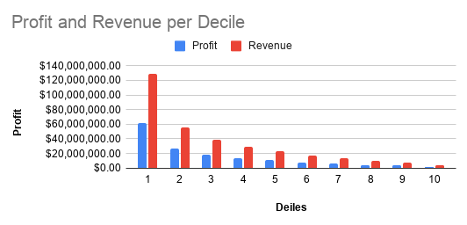
 |  |  |  | bottom decile | cherry-picker

